1. Title Page
Basket Analysis

Project Name: Instacart Basket Analysis
Date: 28.01.2024
Analyst Name: Julian Klauder

Contents:
Population Flow
Consistency checks
Wrangling steps
Column derivations
Visualizations
Recommendations

2. Population Flow
Title page

Population flow

Exclusion flag
Condition: max_order < 5
Obervations to be removed: 1.440.295
Final total count of order_products_all: 30.964.564

Orders_products_combined
Orders_products_merged
Orders_products_all

Total: 32.404.870
Total: 32.434.489
Total: 32.404.859

1.) The grey boxes in the first row of the population flow represent the original data sets as they were when you downloaded them. In the Total fields you need to add the count of the rows when you imported the data set into Jupyter.
2.) The second row of boxes (coloured) represents the data sets after you manipulated them, e.g., removed missing values and duplicates. In the Total fields you need to add the count of the rows after conducting these operations. This offers a visual oveview of how the data flows throughout the data consistency checks.
3.) The third row, where also the arrows are coloured, represents the merges you performed between the datasets. In the Total fields you need to add the count of the rows in the merged datasets, so that you end up with the final dataset (in the red box). Keep in mind the final dataset should be without exclusions (based on the exclusion flag).

3. Consistency checks
 |  |  |  | Title page
Consistency checks

Dataset | Missing values | Missing values treatment | Duplicates
products | 16 redords with missing product_name | excluded | 5 duplicates elimenated
orders_products_prior | None
customers | None
orders | None

4. Wrangling steps
 |  |  |  | Title page
Wrangling steps

Columns dropped | Columns renamed | Columns' type changed | Comment/Reason
eval_set |  |  | not needed
 | order_dow in orders_day_of_week |  | more descriptive title
 |  | order_id in int | not needed in describe()

5. Column derivations
 |  |  |  |  |  | Title page

Column derivations and aggregations

In this tab you should add tables below thatthe frequences of flags/label variables that you produced after deriving them. NB: don't do this for continuous variables, only for flags.
Dataset | New column | Column/s it was derived from | Conditions
ords_prods_merge | busiest_day | orders_day_of_week | most/ busy day of the week
 | 'busiest_days' | orders_day_of_week | most/ busy dayS of the week (2 days 'Most orders', 3 'Average orders' and 2 'Fewest orders'
 | busiest_hours_of_the_day' | order_hour_of_day | Most, average, and Fewest orders

 | exclusion_flag | max_order | df['max_order'] < 5
 | dependants_flag | n_dependants | no/has dependants
 | age_flag | age | young (18-39), middle (40-59), old (60+)
 | income_flag | income | df['income'] >= 1) & (df['income'] < 70000), (df['income'] >= 70000) & (df['income'] < 120000), df['income'] >= 120000]

 |  |  |  |  | income_flag
exclusion_flag |  | dependants_flag |  | age_flag | middle_income 13264248
No 30964564 |  | has dependants 23224883 |  | young (18-39) 10665110 | high_income 9179783
Yes 1440295 |  | no dependants 7739681 |  | old (60+) 10574504 | low_income 8520533
Name: count, dtype: int64 |  | Name: count, dtype: int64 |  | middle (40-59) 9724950 | Name: count, dtype: int64
 |  |  |  | Name: count, dtype: int64

6. Visualizations
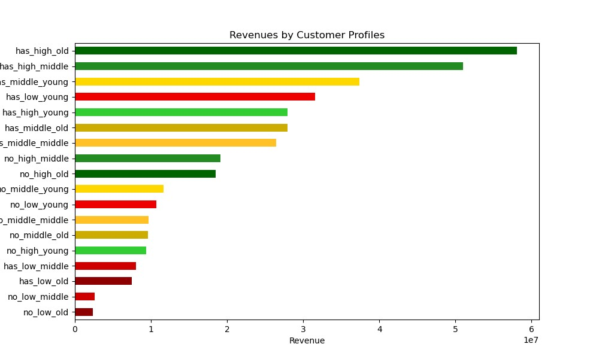
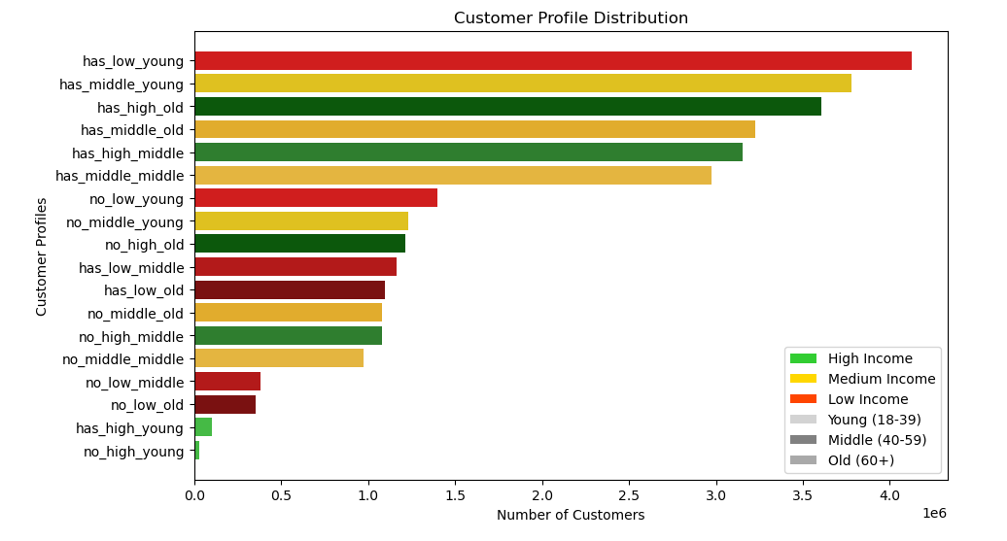
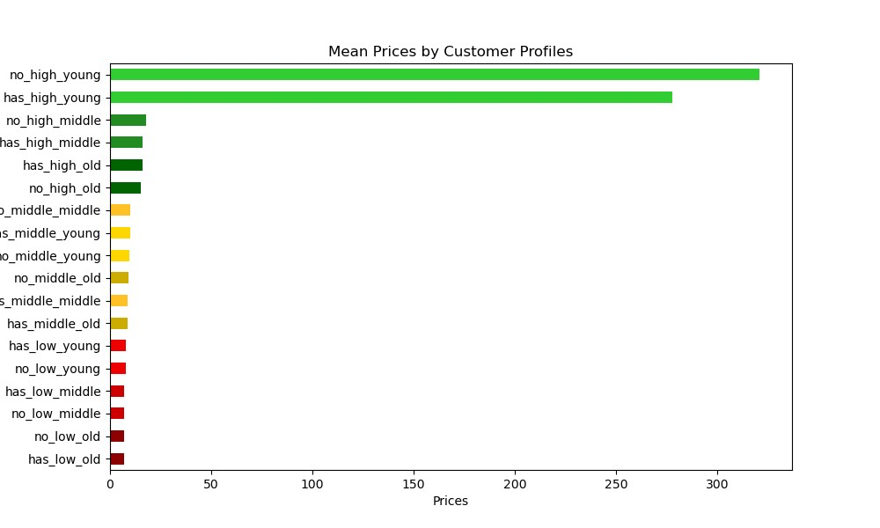
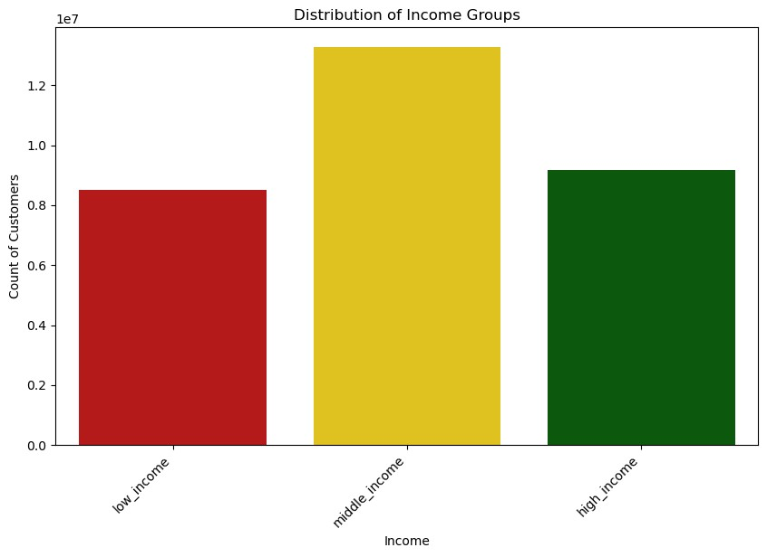
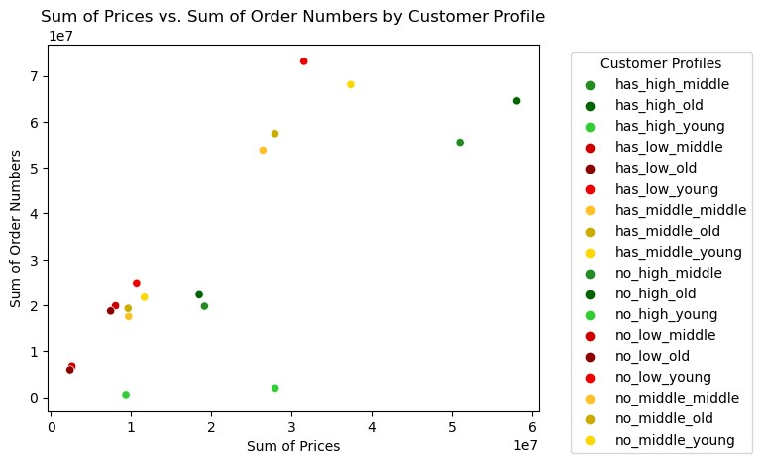
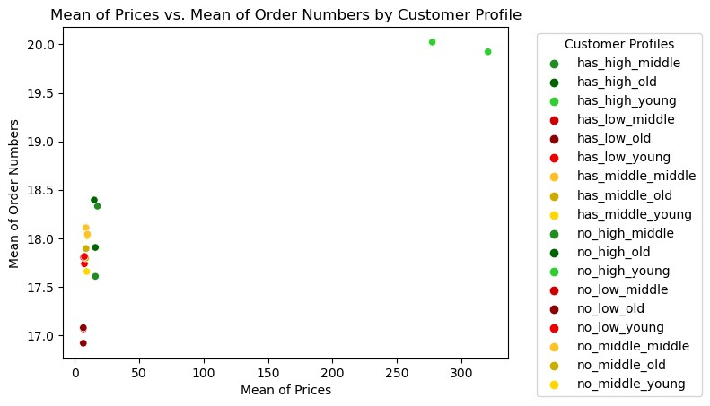
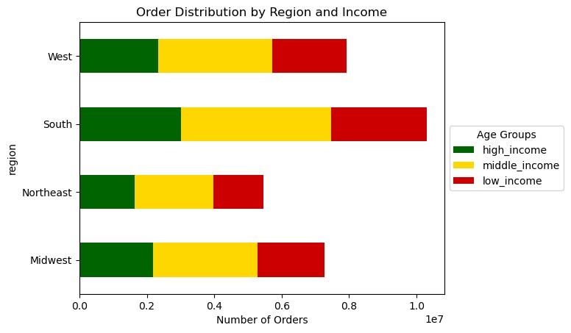
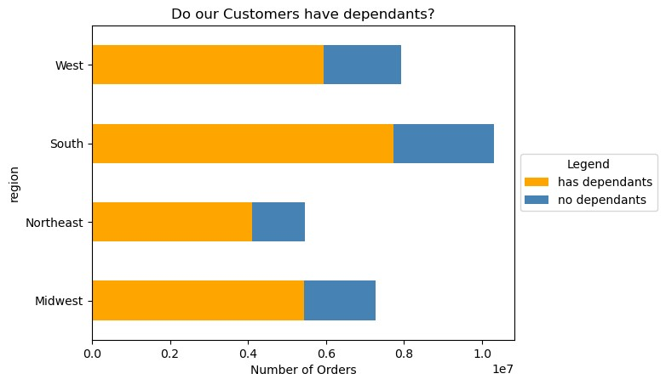
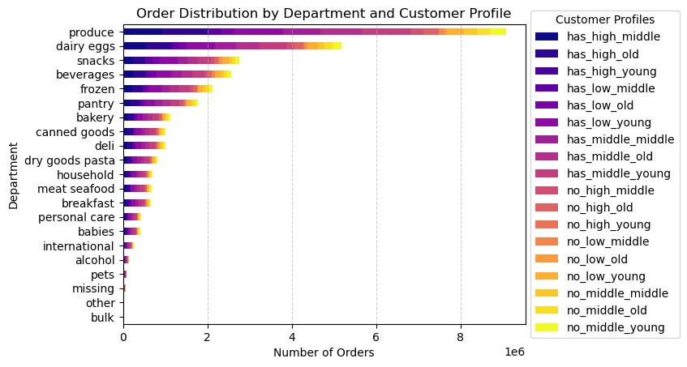
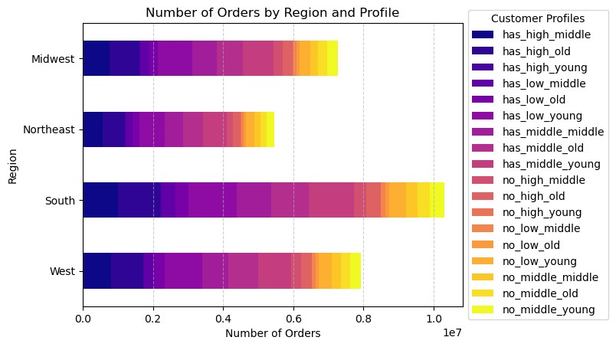
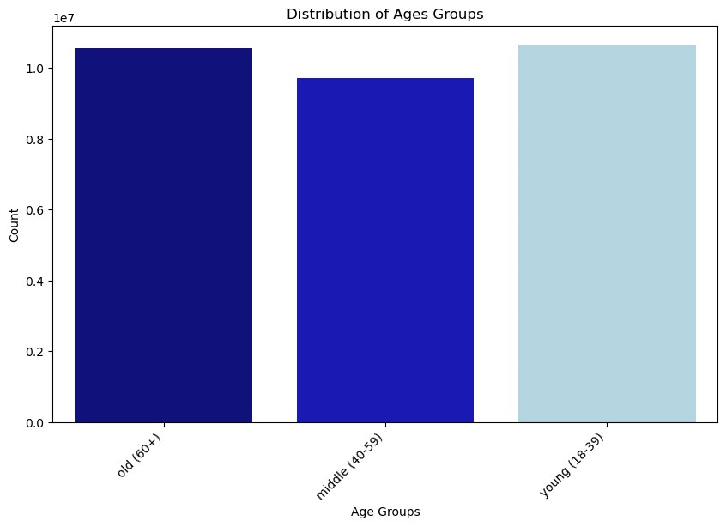
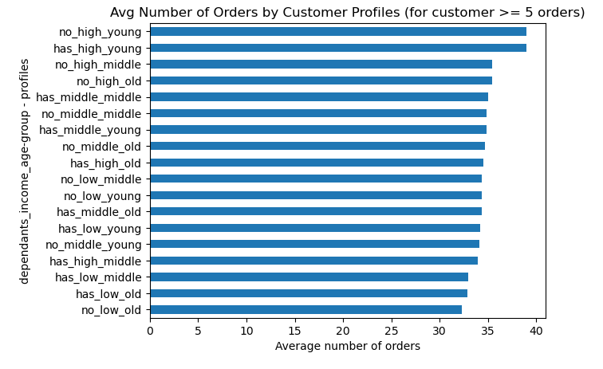
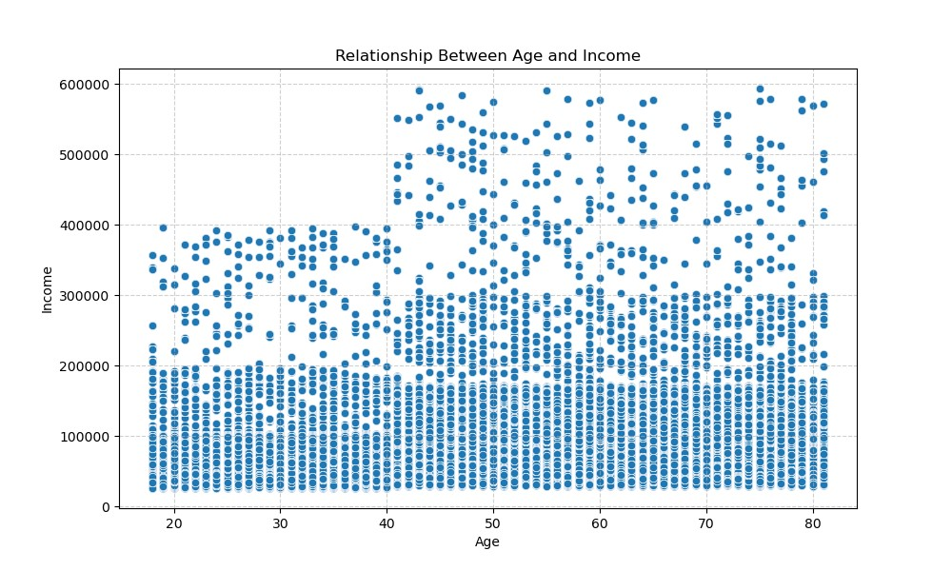
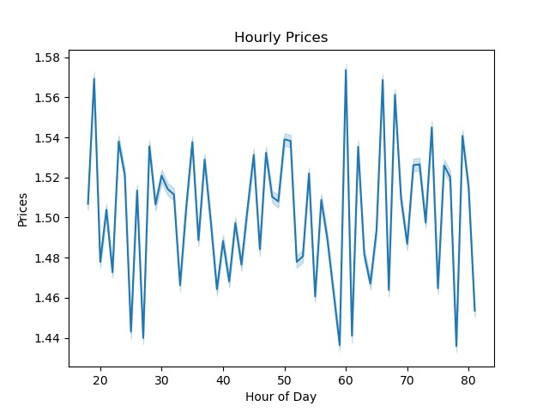
 |  |  |  | Title page

Visualisations of Answers to Key Questions

In this tab you should include all the visualtions from Exercises 4.9 and 4.10, alongside the questions from the project brief that they answer. Include any commentary on the relationship between different variables.

1. | The sales team needs to know what the busiest days of the week and hours of the day are (i.e., the days and times with the most orders) in order to schedule ads at times when there are fewer orders.

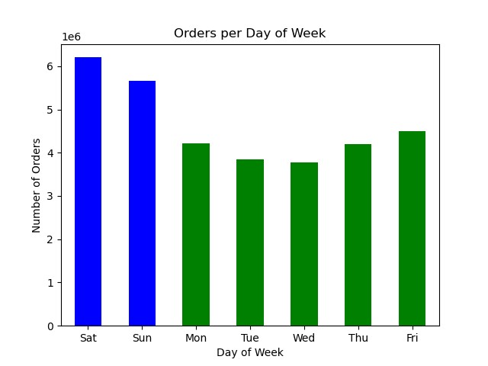
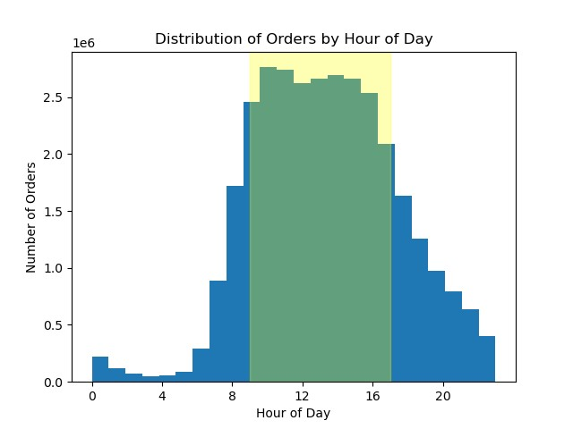

2. |  | They also want to know whether there are particular times of the day when people spend the most money, as this might inform the type of products they advertise at these times.
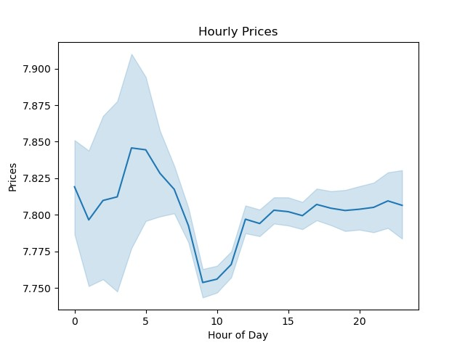

3. |  | Instacart has a lot of products with different price tags. Marketing and sales want to use simpler price range groupings to help direct their efforts.
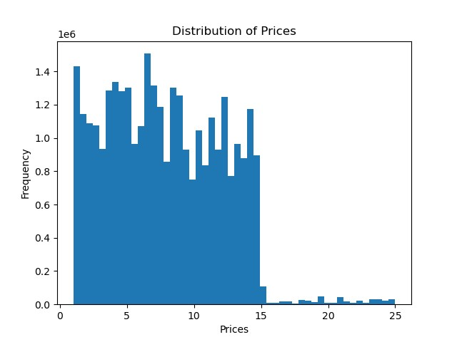

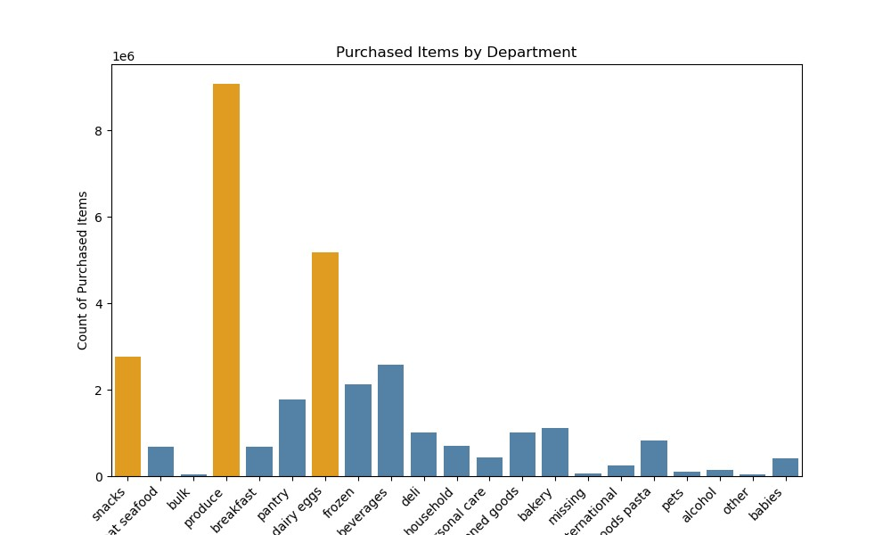
4. |  | Are there certain types of products that are more popular than others? The marketing and sales teams want to know which departments have the highest frequency of product orders

5. |  | The marketing and sales teams are particularly interested in the different types of customers and how they differ
 |  |  | customers in their system and how their ordering behaviors differ.

7. Recommendations
 |  | Title page

Recommendations

In this tab you should include any recommendations you would made to Instcart in terms of their marketing strategy based on the questions posed in the brief. Every key question has been covered in the Tasks of the Exercises - here you need to add an item - a visualisation or table/crosstable that is showing the answer in the data, acompanied by a comment from you. Please, list the questions below and add the answer underneath.

Marketing should Focus on Families | Focus on young people with high income for customer acquisition. They order the most expensive products and alot

 | Unfortunately we dont have many of them

